Instructions
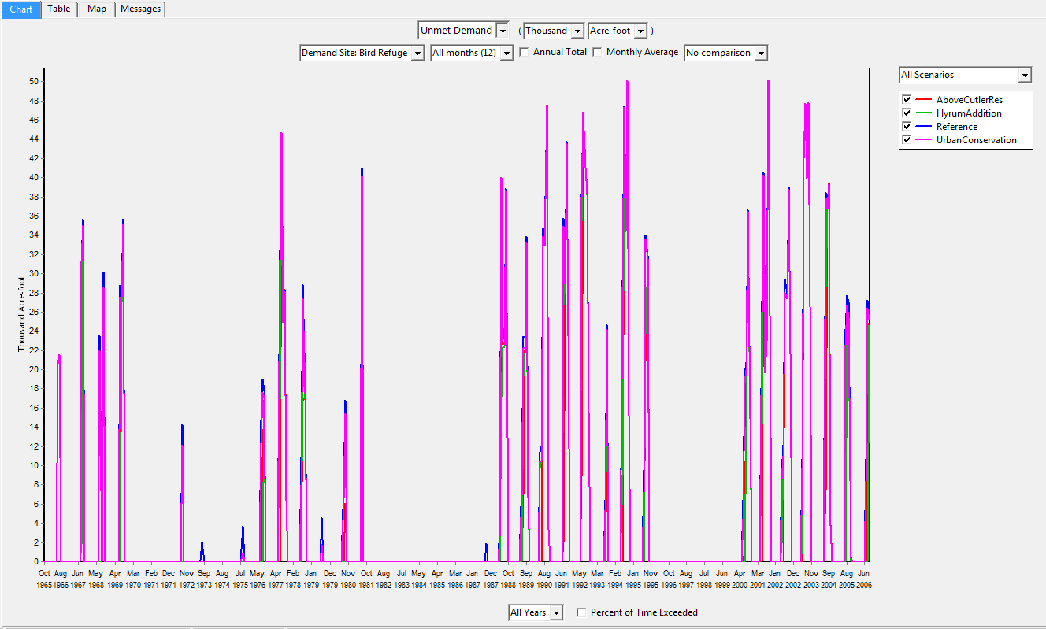
How to calculate performance metrics for the BRMBR:

Steps:
1 | Download the performance calculation workbook for the BRMBR (BRMBR_workbook.xlsx). This can also be found in the BRMBR folder
2 | Go to the Results page in your WEAP model
2.1 | Select the 'Chart' tab in the top right.
2.2 | Select the 'Damand', then 'Unmet Demand' in the first drop down.
2.3 | On the right most drop down select 'All Scenarios'. Note: the default for this drop down is 'All Demand Sites'.
2.4 | On the bottom drop down select 'All Years'.
2.5 | On the left most drop down select 'Bird Refuge'. Note: the default for this drop down is 'Scenario: Reference'.
2.6 | Units should be in 'Thousand' 'Acre-foot' and 'All months (12)' and 'No comparison' should be chosen.
2.7 | Click the excel icon on the right most column of options. Hovering over the icon it will say 'Export Table to Excel'
3 | Go to Excel
3.1 | Select all the data (Ctr+A).
3.2 | Copy the data (Ctr+C).
4 | Open the BRMBR_workbook.xlsx Excel file
4.1 | Go to the 'Input Data' sheet, click on cell A:1, then select all the cells (Ctr+A).
4.2 | Paste all the data (Ctr+V).
4.3 | Go the the 'Performnace Summary' sheet to see the calculated results.
4.4 | WeightedMonthlyBirdUse, Reliability, Resilience, and Vulnerability sheets are used to make the calculations.
4.5 | See the Instructions and Definitions sheets for guidence.
5 | Use the data in the 'Performance Summary' sheet for your analysis.

Figure 1. | Screen shot of how the results page should look befor selecting the 'Export Table to Excel'.

